Overview
Abinitio

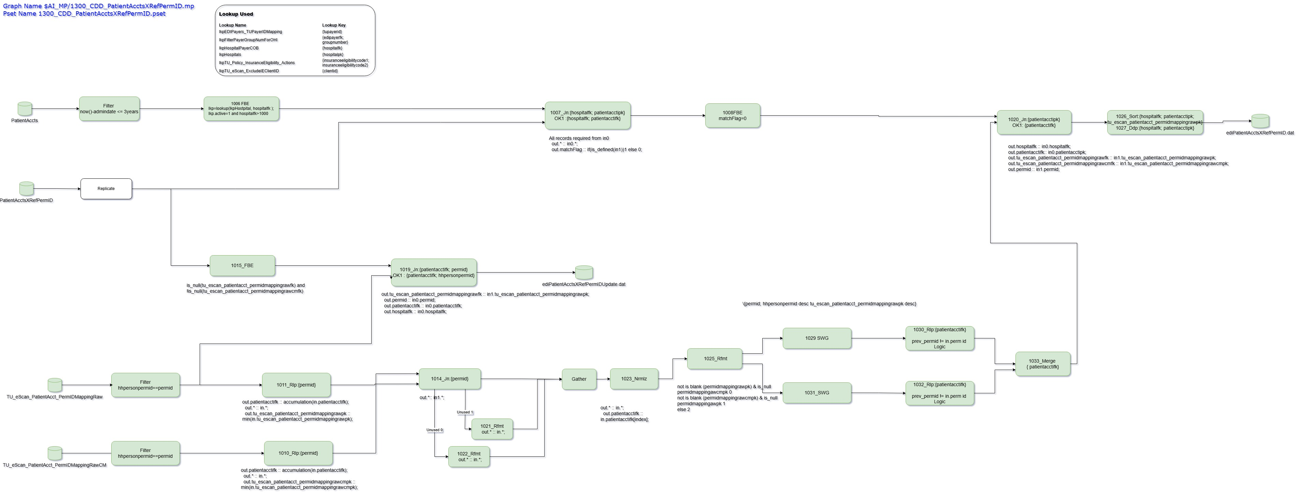

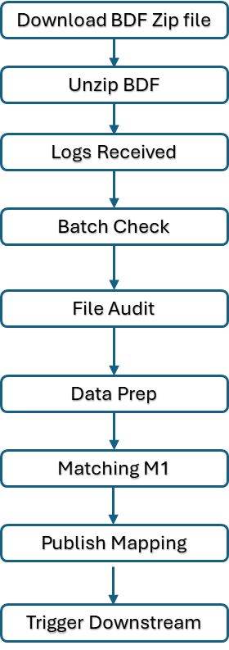
Databricks

 | Data Flow Diagram - Databricks

 | Download BDF ZIP
 | ↓
 | Unzip BDF
 | ↓
 | Log Received
 | ↓
 | Batch Check
 | ↓
 | File audit
 | ↓
 | Data Prep
 | ↓
 | Matching M1
 | ↓
 | Publish Mapping
 | ↓
 | Trigger Downstream

